Sheet1
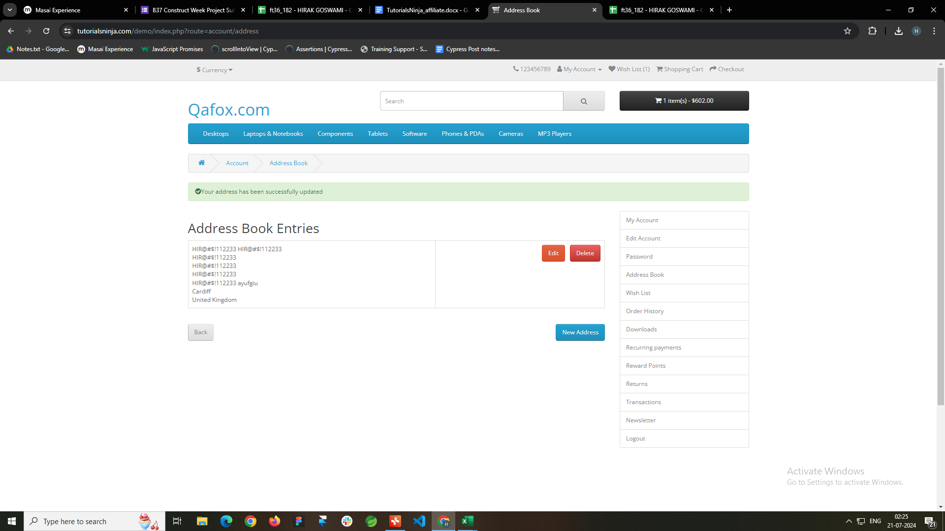
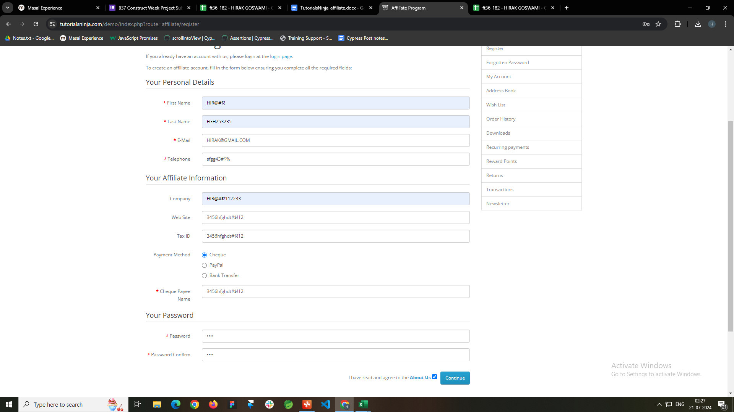
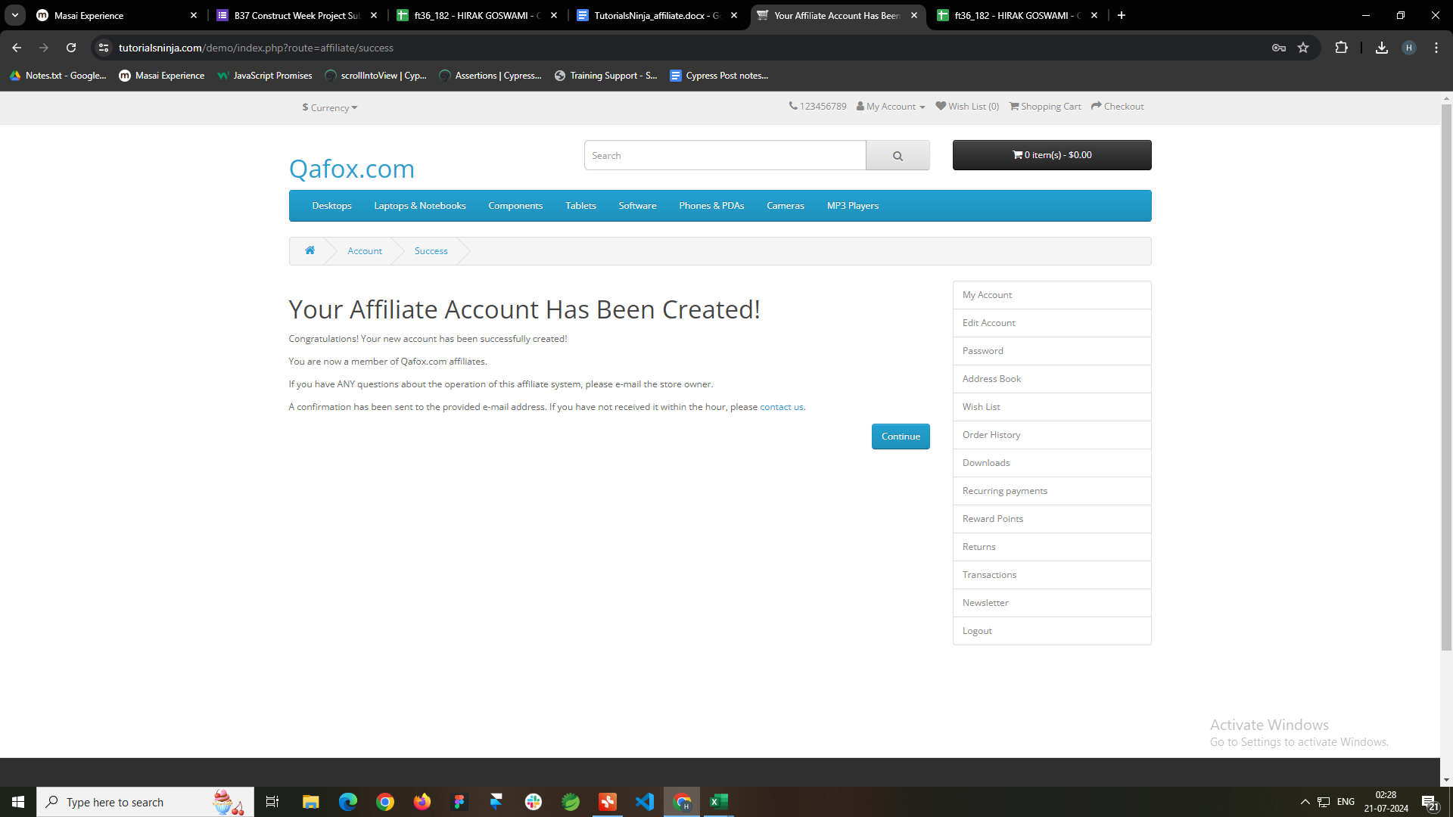
Assignment Name : | Contruct Week Project
Student Name : | Hirak Goswami
Student Code : | ft36_182
URL : | https://tutorialsninja.com/demo/
Date : | 21/07/2024
Checked By :

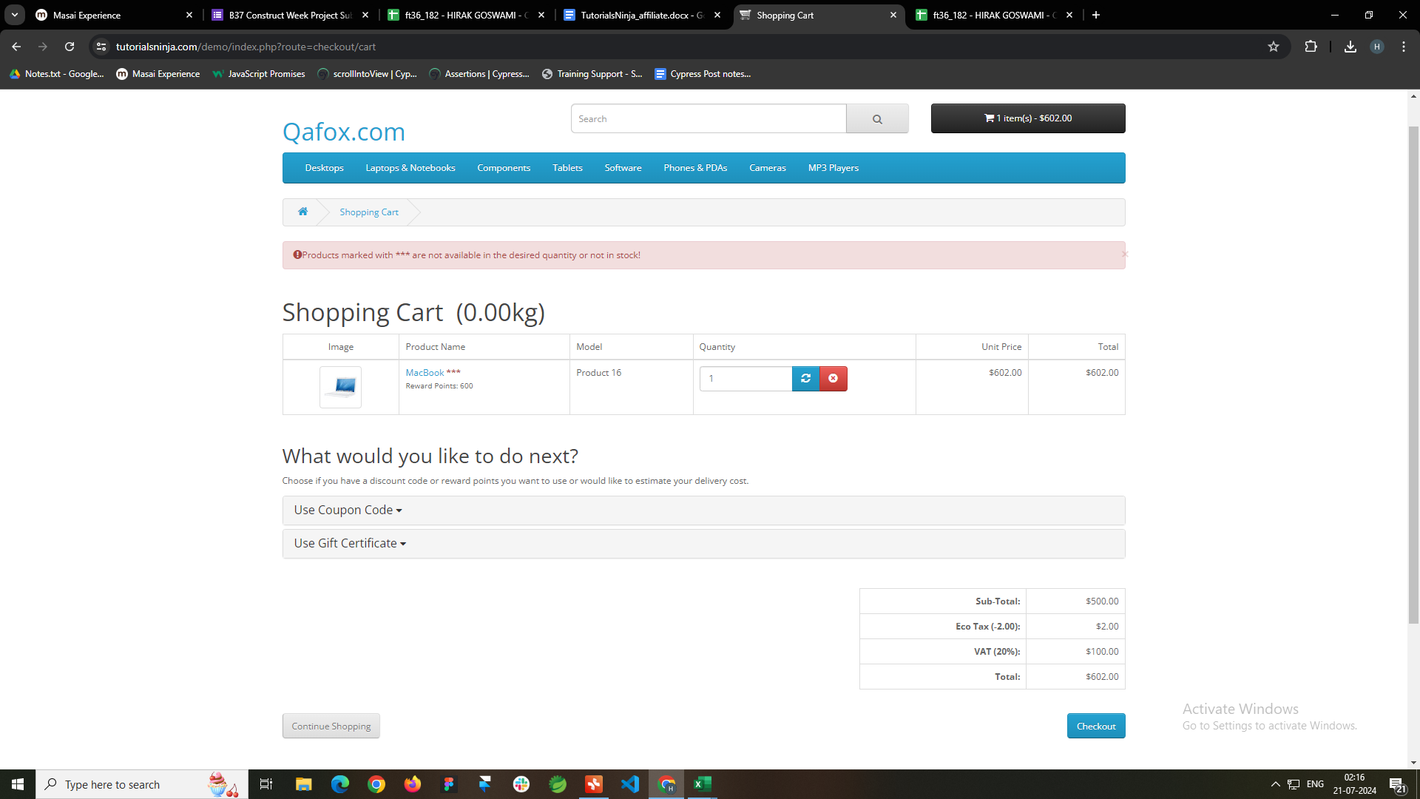
Bug ID | Priority/Severity | Description/Bug Summary | Pre-requisites | Bug steps | Expected Result | Actual Result | Status | Test Executed By | Browser/Device | Screenshot/Video recording
TB001 | P- High / S- Blocker | User cannot checkout successfully after adding items in the cart | https://tutorialsninja.com/demo/index.php?route=affiliate/login | Step 1: Locate a product and Click the "Add to Cart" button to add the product to the shopping cart. Step 2: Click on the "Shopping Cart" link at the top right corner of the page to view the cart. Step 3: Verify that the items are displayed correctly in the cart. Step 4: Click the "Checkout" button. | Will be redirected to Payment Page | Staying in Checkout Page | Fail | Hirak Goswami | Browser- Chrome OS - Windows 10 | Screenshots are alligned respectively to the bugs
TB002 | P- Medium / S- Minor | Search Suggestions didnt appear as the user types in the search input field. | https://tutorialsninja.com/demo/index.php?route=affiliate/login | Step 1: Locate the search input field. Step 2: Start typing a common search term (e.g., "laptop"). Step 3: Verify that a dropdown with search suggestions appears below the search input field. Step 4: Check that the suggestions are relevant to the entered term. | Should display search suggestions. | Didnt display any search suggestions. | Fail | Hirak Goswami | Browser- Chrome OS - Windows 11
TB003 | P- High / S- Critical | Numbers are Accepted as Name | https://tutorialsninja.com/demo/index.php?route=affiliate/login | Step 1: Locate the name input field. Step 2: Enter numeric values (e.g., "123456"). Step 3: Click on the "Submit" or "Next" button. Step 4: Verify whether the form accepts or rejects the input based on the validation rules set for the name field. | Should reject the input. | Accepted the input | Fail | Hirak Goswami | Browser- Chrome OS - Windows 12
TB004 | P- High / S- Critical | Special Charecters are Accepted as Name | https://tutorialsninja.com/demo/index.php?route=affiliate/login | Step 1: Locate the name input field. Step 2: Enter a mix of special characters, letters, and numbers (e.g., "John@123!"). Step 3: Click on the "Submit" or "Next" button. Step 4: Verify whether the form accepts or rejects the input based on the validation rules set for the name field. | Should reject the input. | Accepted the input | Fail | Hirak Goswami | Browser- Chrome OS - Windows 13
TB005 | P- High / S- Critical | Numbers are Accepted as Last Name | https://tutorialsninja.com/demo/index.php?route=affiliate/login | Step 1: Locate the Last name input field. Step 2: Enter numeric values (e.g., "123456"). Step 3: Click on the "Submit" or "Next" button. Step 4: Verify whether the form accepts or rejects the input based on the validation rules set for the name field. | Should reject the input. | Accepted the input | Fail | Hirak Goswami | Browser- Chrome OS - Windows 14
TB006 | P- High / S- Critical | Special Charecters are Accepted as Last Name | https://tutorialsninja.com/demo/index.php?route=affiliate/login | Step 1: Locate the Last name input field. Step 2: Enter a mix of special characters, letters, and numbers (e.g., "John@123!"). Step 3: Click on the "Submit" or "Next" button. Step 4: Verify whether the form accepts or rejects the input based on the validation rules set for the name field. | Should reject the input. | Accepted the input | Fail | Hirak Goswami | Browser- Chrome OS - Windows 15
TB007 | P- High / S- Critical | Invalid Mobile Number with country code is accepted | https://tutorialsninja.com/demo/index.php?route=affiliate/login | 1. Repeat steps 1 to 4 from the previous test case. 2. Enter an invalid mobile number with country code (e.g., +1-000-000-0000). 3. Click the 'Continue' button to save changes. 4. Verify that an error message is displayed, indicating that the mobile number is invalid. 5. Ensure that the invalid mobile number is not saved. | Should reject the number. | Accepted the Number | Fail | Hirak Goswami | Browser- Chrome OS - Windows 16
TB008 | P- High / S- Critical | Invalid Mobile Number without country code is accepted | https://tutorialsninja.com/demo/index.php?route=affiliate/login | 1. Repeat steps 1 to 4 from the first test case. 2. Enter an invalid mobile number without country code (e.g., 000-000-0000). 3. Click the 'Continue' button to save changes. 4. Verify that an error message is displayed, indicating that the mobile number is invalid. 5. Ensure that the invalid mobile number is not saved. | Should reject the number. | Accepted the Number | Fail | Hirak Goswami | Browser- Chrome OS - Windows 17
TB009 | P- High / S- Critical | Alphanymeric value as Mobile number is accepted | https://tutorialsninja.com/demo/index.php?route=affiliate/login | 1. Repeat steps 1 to 4 from the first test case. 2. Enter an alphanumeric value in the mobile number field (e.g., 123abc456). 3. Click the 'Continue' button to save changes. 4. Verify that an error message is displayed, indicating that the mobile number format is incorrect. 5. Ensure that the alphanumeric value is not saved. | Should reject the input. | Accepted the input | Fail | Hirak Goswami | Browser- Chrome OS - Windows 18
TB010 | P- High / S- Critical | Special Charecters with letters and numbers is accepted as Mobile number | https://tutorialsninja.com/demo/index.php?route=affiliate/login | 1. Repeat steps 1 to 4 from the first test case. 2. Enter a combination of special characters, letters, and numbers in the mobile number field (e.g., 123-abc-456!@#). 3. Click the 'Continue' button to save changes. 4. Verify that an error message is displayed 5. Ensure that the special characters and letters are not saved. | Should reject the input. | Accepted the input | Fail | Hirak Goswami | Browser- Chrome OS - Windows 19
TB011 | P- High / S- Critical | Invalid URL is accepted | https://tutorialsninja.com/demo/index.php?route=affiliate/login | 1. Repeat steps 1 to 4 from the previous test case. 2. Enter an invalid URL (e.g., www.invalid-url). 3. Click the 'Continue' button to save changes. 4. Verify that an error message is displayed, indicating that the URL is invalid. 5. Ensure that the invalid URL is not saved. | Should reject the URL. | Accepted the URL | Fail | Hirak Goswami | Browser- Chrome OS - Windows 20
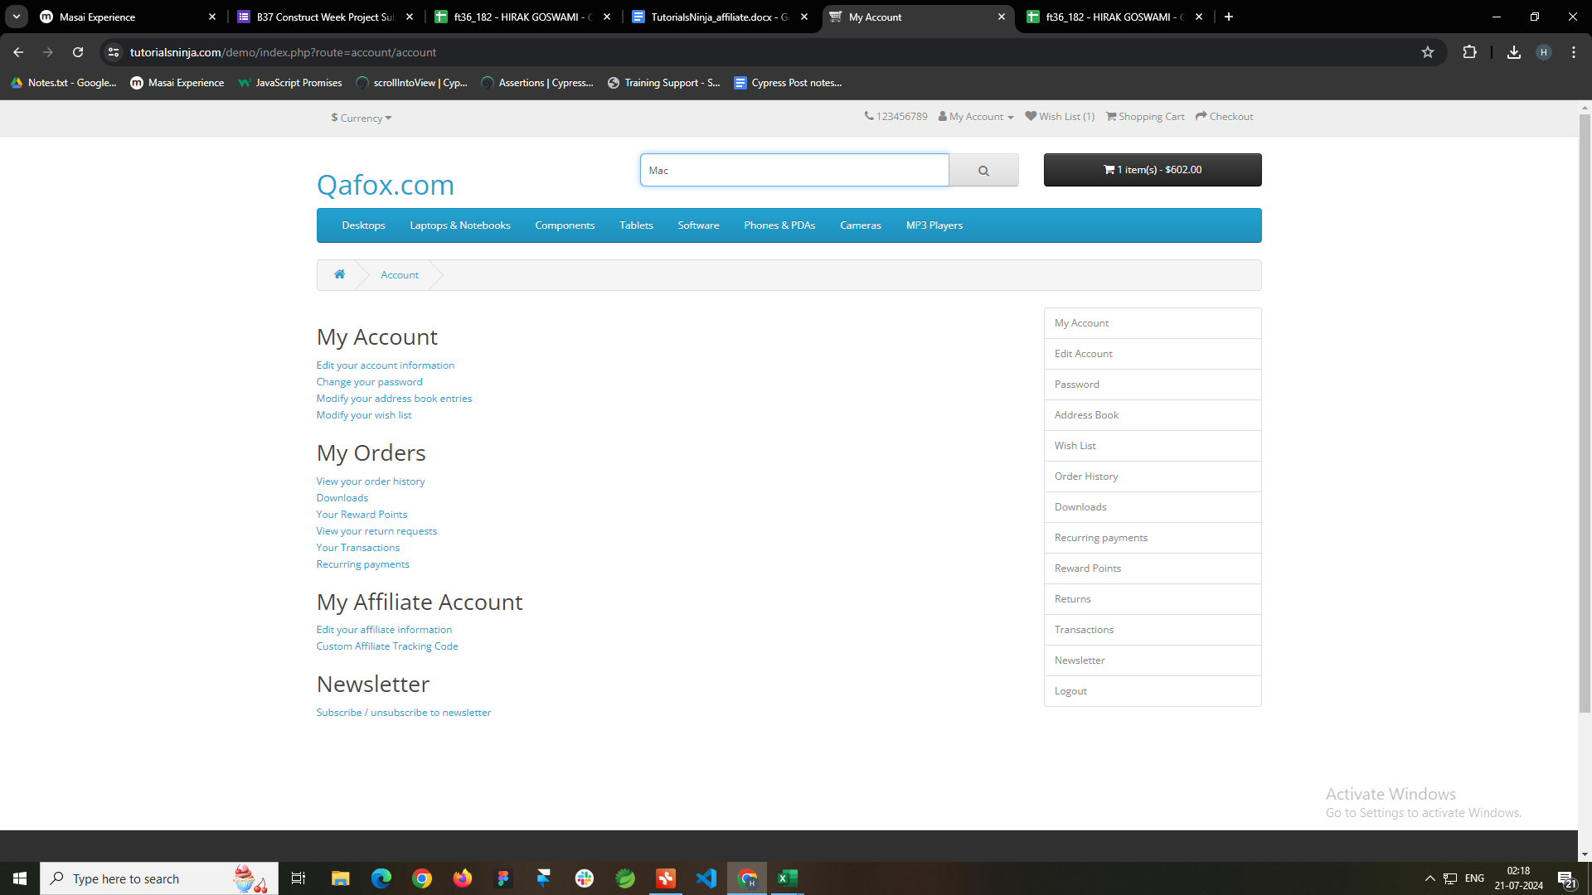
TB012 | P- High / S- Critical | Alphanymeric value is accepted URL | https://tutorialsninja.com/demo/index.php?route=affiliate/login | 1. Repeat steps 1 to 4 from the first test case. 2. Enter an alphanumeric value in the URL field (e.g., example123). 3. Click the 'Continue' button to save changes. 4. Verify that an error message is displayed, indicating that the URL format is incorrect. 5. Ensure that the alphanumeric value is not saved. | Should reject the URL. | Accepted the URL | Fail | Hirak Goswami | Browser- Chrome OS - Windows 21
TB013 | P- High / S- Critical | Numbers is accepted URL | https://tutorialsninja.com/demo/index.php?route=affiliate/login | 1. Repeat steps 1 to 4 from the first test case. 2. Enter only numeric values in the URL field (e.g., 1234567890). 3. Click the 'Continue' button to save changes. 4. Verify that an error message is displayed, indicating that the URL format is incorrect. 5. Ensure that the numeric values are not saved. | Should reject the URL. | Accepted the URL | Fail | Hirak Goswami | Browser- Chrome OS - Windows 22
TB014 | P- High / S- Critical | Special Charecters with letters and numbers is accepted URL | https://tutorialsninja.com/demo/index.php?route=affiliate/login | 1. Repeat steps 1 to 4 from the first test case. 2. Enter a combination of special characters, letters, and numbers in the URL field (e.g., https://www.exa!@#mpl$%e.com). 3. Click the 'Continue' button to save changes. 4. Verify that an error message is displayed. 5. Ensure that the special characters and letters are not saved. | Should reject the URL. | Accepted the URL | Fail | Hirak Goswami | Browser- Chrome OS - Windows 23
TB015 | P- High / S- Critical | Invalid Tax ID is accepted | https://tutorialsninja.com/demo/index.php?route=affiliate/login | 1. Repeat steps 1 to 4 from the previous test case. 2. Enter an invalid ID (e.g., 123-Invalid!). 3. Click the 'Continue' button to save changes. 4. Verify that an error message is displayed, indicating that the ID is invalid. 5. Ensure that the invalid ID is not saved. | Should reject the ID. | Accepted the ID | Fail | Hirak Goswami | Browser- Chrome OS - Windows 24
TB016 | P- High / S- Critical | Special Charecters with letters and numbers is accepted as Tax ID | https://tutorialsninja.com/demo/index.php?route=affiliate/login | 1. Repeat steps 1 to 4 from the first test case. 2. Enter a combination of special characters, letters, and numbers in the ID field (e.g., ID!@#123abc). 3. Click the 'Continue' button to save changes. 4. Verify that an error message is displayed, indicating that the ID format is incorrect. | Should reject the input. | Accepted the input | Fail | Hirak Goswami | Browser- Chrome OS - Windows 25
TB017 | P- High / S- Critical | Numbers is accepted Check Payee Name | https://tutorialsninja.com/demo/index.php?route=affiliate/login | 1. Repeat steps 1 to 4 from the first test case. 2. Enter only numeric values in the cheque payee name field (e.g., 1234567890). 3. Click the 'Continue' button to save changes. 4. Verify that an error message is displayed, indicating that the cheque payee name format is incorrect. 5. Ensure that the numeric values are not saved. | Should reject the input. | Accepted the input | Fail | Hirak Goswami | Browser- Chrome OS - Windows 26
TB018 | P- High / S- Critical | Special Charecters with letters and numbers is accepted as Check Payee name | https://tutorialsninja.com/demo/index.php?route=affiliate/login | 1. Repeat steps 1 to 4 from the first test case. 2. Enter a combination of special characters, letters, and numbers in the cheque payee name field (e.g., JohnDoe!@#123). 3. Click the 'Continue' button to save changes. 4. Verify that an error message is displayed | Should reject the input. | Accepted the input | Fail | Hirak Goswami | Browser- Chrome OS - Windows 27
TB019 | P- High / S- Critical | Numbers are accepted as Bank Name | https://tutorialsninja.com/demo/index.php?route=affiliate/login | 1. Repeat steps 1 to 4 from the first test case. 2. Enter only numeric values in the bank name field (e.g., 1234567890). 3. Click the 'Continue' button to save changes. 4. Verify that an error message is displayed, indicating that the bank name format is incorrect. 5. Ensure that the numeric values are not saved. | Should reject the input. | Accepted the input | Fail | Hirak Goswami | Browser- Chrome OS - Windows 28
TB020 | P- High / S- Critical | Special Charecters are accepted as Bank Name | https://tutorialsninja.com/demo/index.php?route=affiliate/login | 1. Repeat steps 1 to 4 from the first test case. 2. Enter a combination of special characters, letters, and numbers in the bank name field (e.g., Bank!@#123). 3. Click the 'Continue' button to save changes. 4. Verify that an error message is displayed. | Should reject the input. | Accepted the input | Fail | Hirak Goswami | Browser- Chrome OS - Windows 29
TB021 | P- High / S- Critical | Alphanymeric value are accepted as Branch Number | https://tutorialsninja.com/demo/index.php?route=affiliate/login | 1. Repeat steps 1 to 4 from the first test case. 2. Enter an alphanumeric value in the branch number field (e.g., 12345ABC). 3. Click the 'Continue' button to save changes. 4. Verify that an error message is displayed, indicating that the branch number format is incorrect. 5. Ensure that the alphanumeric value is not saved. | Should reject the input. | Accepted the input | Fail | Hirak Goswami | Browser- Chrome OS - Windows 30
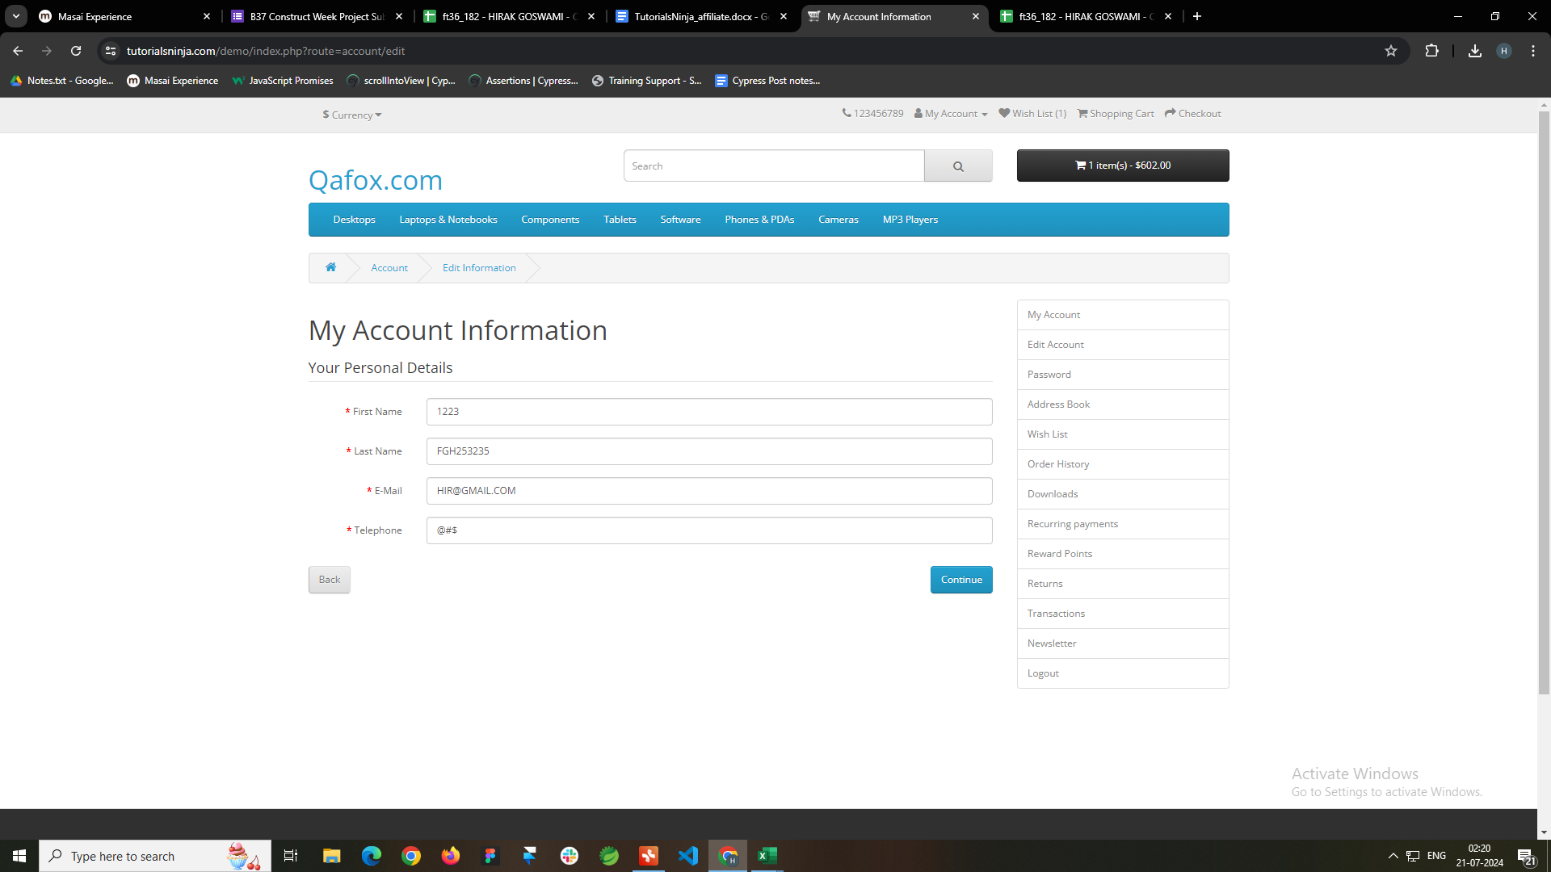
TB022 | P- High / S- Critical | Special Charecters with letters and numbers are accepted as Branch Number | https://tutorialsninja.com/demo/index.php?route=affiliate/login | 1. Repeat steps 1 to 4 from the first test case. 2. Enter a combination of special characters, letters, and numbers in the branch number field (e.g., 123!@#ABC). 3. Click the 'Continue' button to save changes. 4. Verify that an error message is displayed. | Should reject the input. | Accepted the input | Fail | Hirak Goswami | Browser- Chrome OS - Windows 31
TB023 | P- High / S- Critical | Alphanymeric value is accepted Swift Code | https://tutorialsninja.com/demo/index.php?route=affiliate/login | 1. Repeat steps 1 to 4 from the first test case. 2. Enter an alphanumeric value in the code field (e.g., ABC123XYZ). 3. Click the 'Continue' button to save changes. 4. Verify that the code is accepted and saved successfully. 5. Check for any success messages or confirmation emails if applicable. | Should reject the input. | Accepted the input | Fail | Hirak Goswami | Browser- Chrome OS - Windows 32
TB024 | P- High / S- Critical | Special Charecters with letters and numbers are accepted Swift Code | https://tutorialsninja.com/demo/index.php?route=affiliate/login | 1. Repeat steps 1 to 4 from the first test case. 2. Enter a combination of special characters, letters, and numbers in the code field (e.g., ABC!@#123). 3. Click the 'Continue' button to save changes. 4. Verify that an error message is displayed. | Should reject the input. | Accepted the input | Fail | Hirak Goswami | Browser- Chrome OS - Windows 33
TB025 | P- High / S- Critical | Numbers are accepted as Account Name | https://tutorialsninja.com/demo/index.php?route=affiliate/login | 1. Repeat steps 1 to 4 from the first test case. 2. Enter only numeric values in the account name field (e.g., 1234567890). 3. Click the 'Continue' button to save changes. 4. Verify that an error message is displayed, indicating that the account name format is incorrect. 5. Ensure that the numeric values are not saved. | Should reject the input. | Accepted the input | Fail | Hirak Goswami | Browser- Chrome OS - Windows 34
TB026 | P- High / S- Critical | Special Charecters with letters and numbers are accepted as Account Name | https://tutorialsninja.com/demo/index.php?route=affiliate/login | 1. Repeat steps 1 to 4 from the first test case. 2. Enter a combination of special characters, letters, and numbers in the account name field (e.g., John!@#123). 3. Click the 'Continue' button to save changes. 4. Verify that an error message is displayed. | Should reject the input. | Accepted the input | Fail | Hirak Goswami | Browser- Chrome OS - Windows 35
TB027 | P- High / S- Critical | Invalid Account Number is Accepted | https://tutorialsninja.com/demo/index.php?route=affiliate/login | 1. Repeat steps 1 to 4 from the first test case. 2. Enter an invalid account number (e.g., 1234). 3. Click the 'Continue' button to save changes. 4. Verify that an error message is displayed, indicating that the account number is invalid. 5. Ensure that the invalid account number is not saved. | Should reject the number. | Accepted the Number | Fail | Hirak Goswami | Browser- Chrome OS - Windows 36
TB028 | P- High / S- Critical | Alphanymeric value is accepted as Account Number | https://tutorialsninja.com/demo/index.php?route=affiliate/login | 1. Repeat steps 1 to 4 from the first test case. 2. Enter an alphanumeric value in the account number field (e.g., ABCD1234). 3. Click the 'Continue' button to save changes. 4. Verify that an error message is displayed, indicating that the account number format is incorrect. 5. Ensure that the alphanumeric value is not saved. | Should reject the input. | Accepted the input | Fail | Hirak Goswami | Browser- Chrome OS - Windows 37
TB029 | P- High / S- Critical | Special Charecters with letters and numbers are accepted as Account Number | https://tutorialsninja.com/demo/index.php?route=affiliate/login | 1. Repeat steps 1 to 4 from the first test case. 2. Enter a combination of special characters, letters, and numbers in the account number field (e.g., 1234!@#ABCD). 3. Click the 'Continue' button to save changes. 4. Verify that an error message is displayed. | Should reject the input. | Accepted the input | Fail | Hirak Goswami | Browser- Chrome OS - Windows 38
TB030 | P- High / S- Critical | Invalid Address is accepted | https://tutorialsninja.com/demo/index.php?route=affiliate/login | 1. Repeat steps 1 to 4 from the first test case. 2. Enter an invalid address (e.g., 12@#$$ Main Street). 3. Click the 'Continue' button to save changes. 4. Verify that an error message is displayed, indicating that the address is invalid. 5. Ensure that the invalid address is not saved. | Should reject the address. | Accepted the Address | Fail | Hirak Goswami | Browser- Chrome OS - Windows 39


Test Case Status | Build Result
Total Number of Test Case | 190
Passed Test Case | 160
Failed Test Case | 30
Blocked / Skipped Test Case | 0

Defect Status | Build Result
Total number | 30
Blocker | 1
Critical | 28
Major | 0
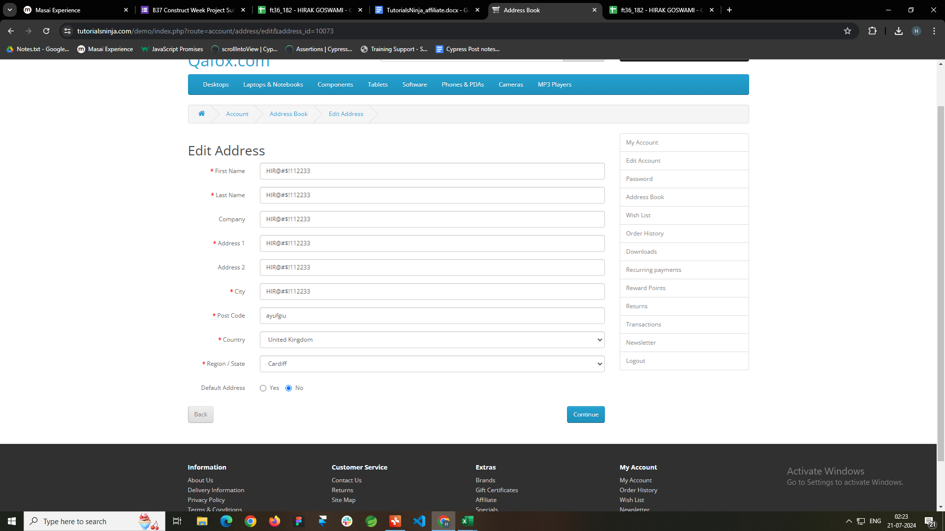
Minor | 1

Defect Status | Build Result
Total number | 30
Functional | 30
UI/UX | 0
Performance | 0

